entirefigures
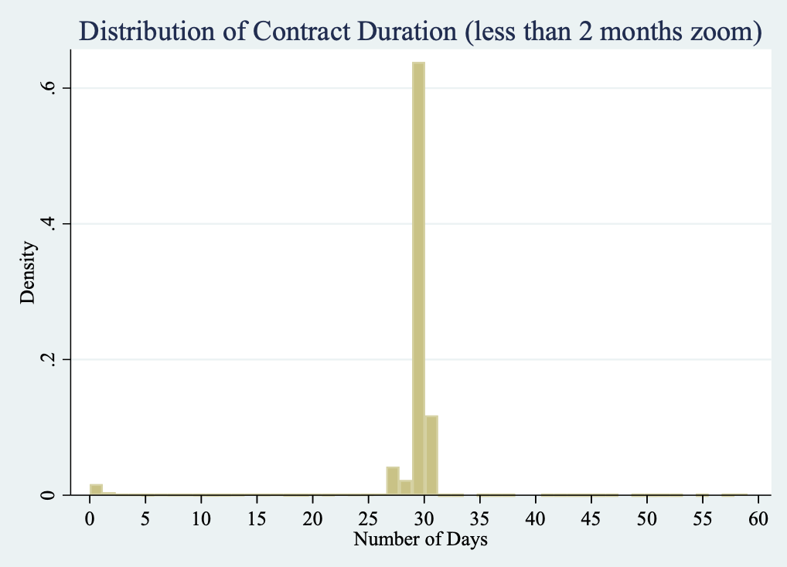
Figure 11. Distribution of Posting Date
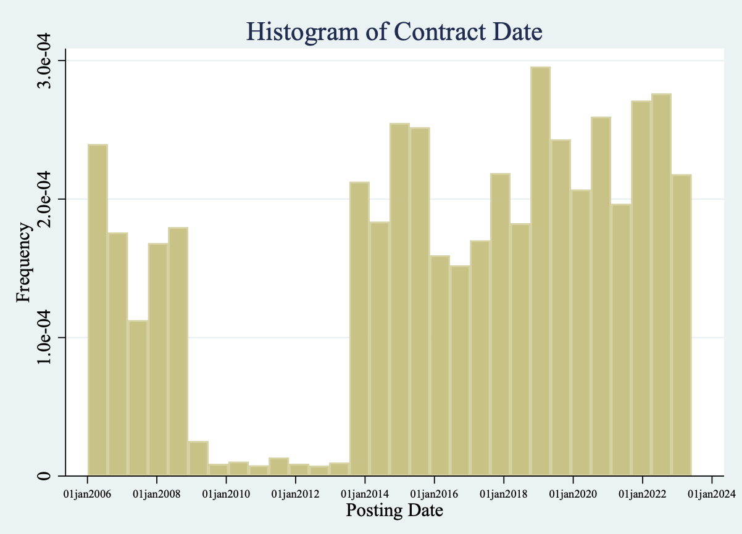

Figure 12: Distribution of Contract Duration (less than 1 year zoom)
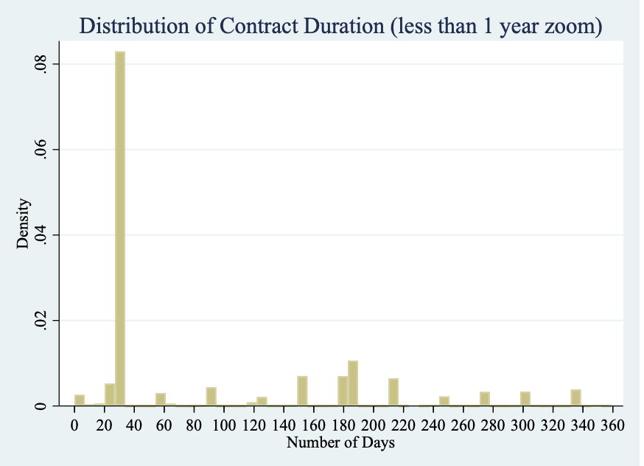

Figure 13: Distribution of Contract Duration (less than 2 months)

2015to2023figures
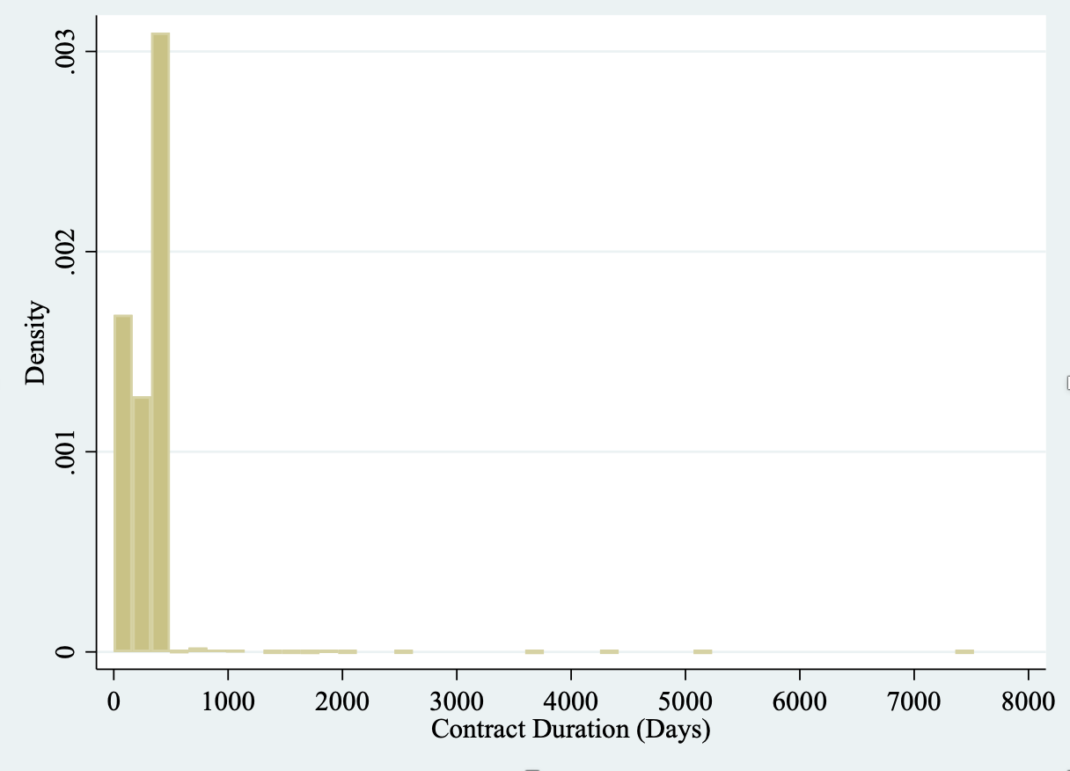
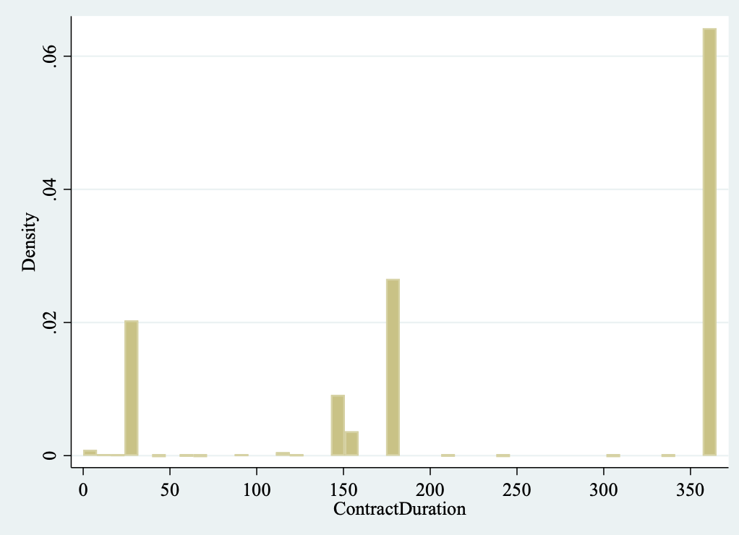
Figure 14: Monthly Aggregate Quantity Released

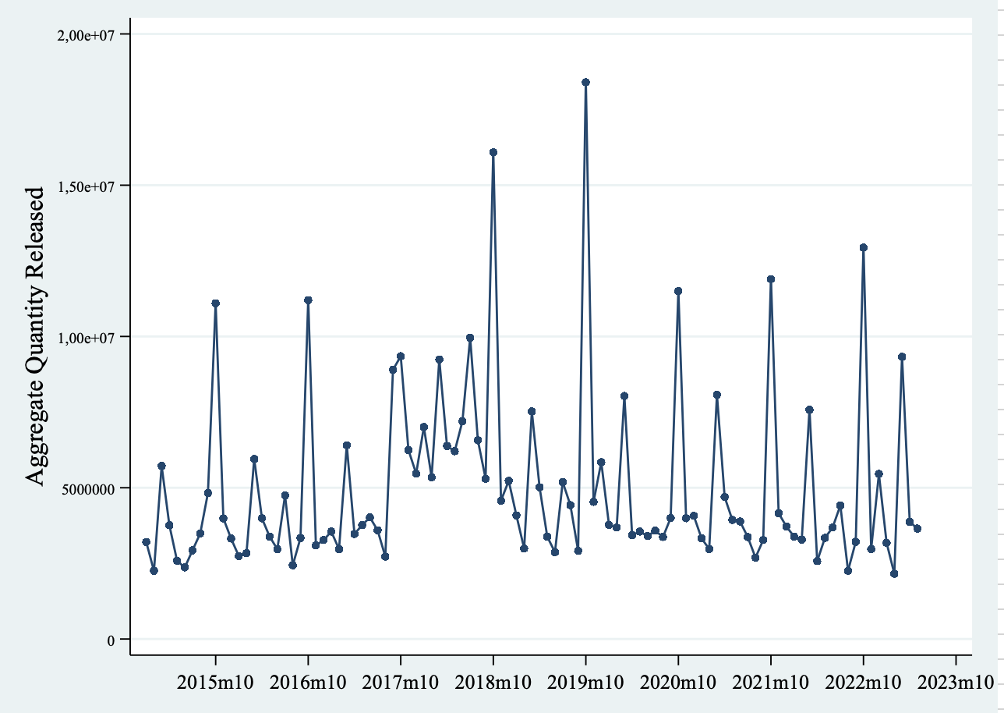

Figure 15: Number of Unique Contracts Signed (Monthly)
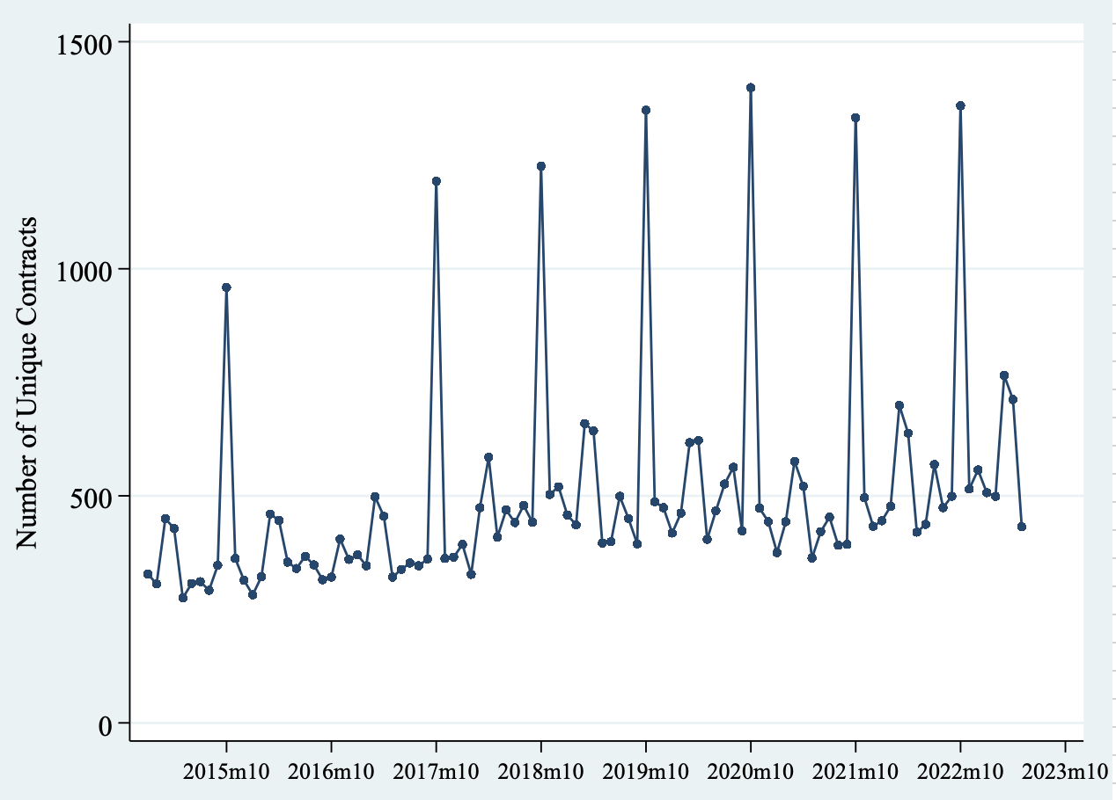

Figure 16: Distribution of Contract Duration: All Contracts | Figure 16: Distribution of Contract Duration: All Contracts (95% trim)
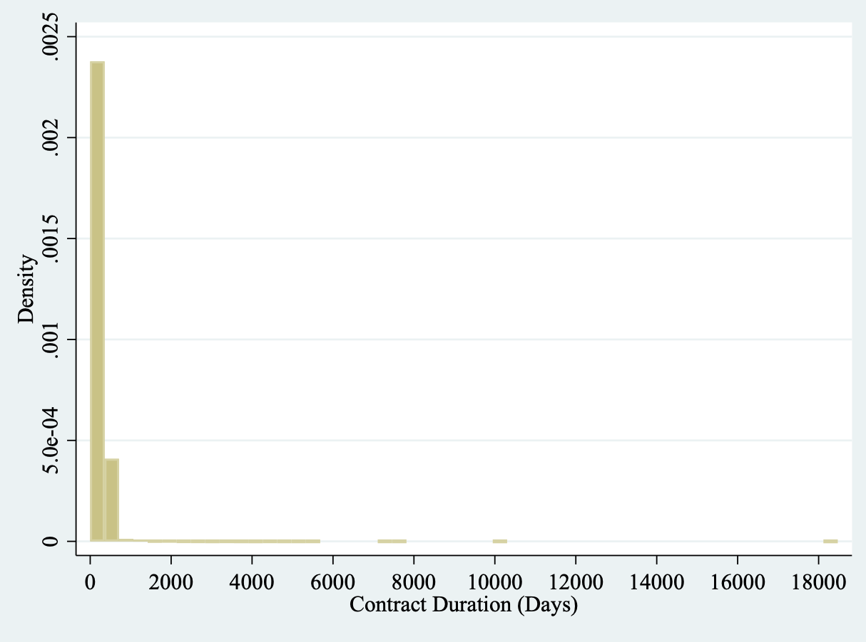
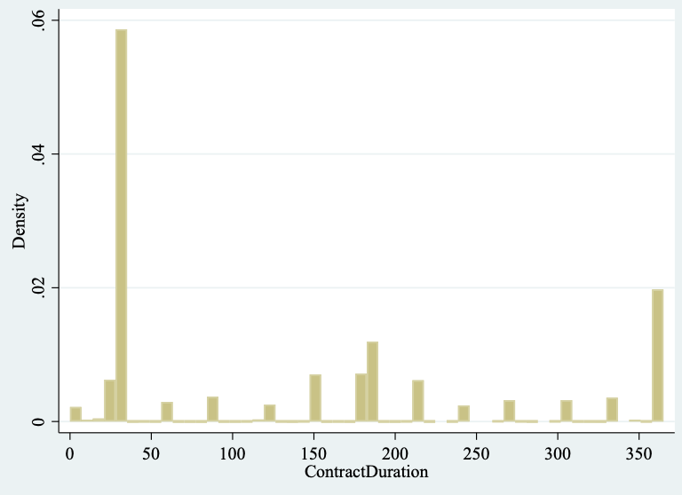

Summary statistics in entiretables tab

Figure 16: Distribution of Contract Duration: Contracts Signed at end of October | Figure 16: Distribution of Contract Duration: Contracts Signed at end of October, trimmed 95

market concentration
Figure 18: Number of Holders per Releaser
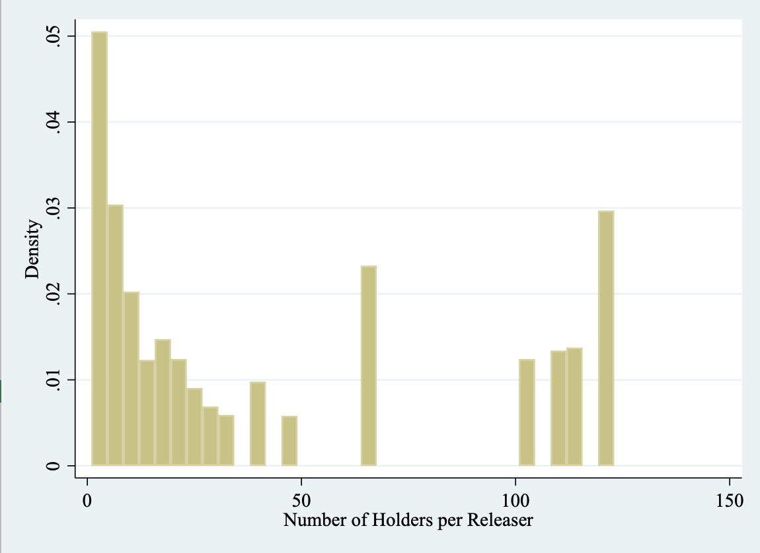

Figure 19: Number of Releasers per Holder

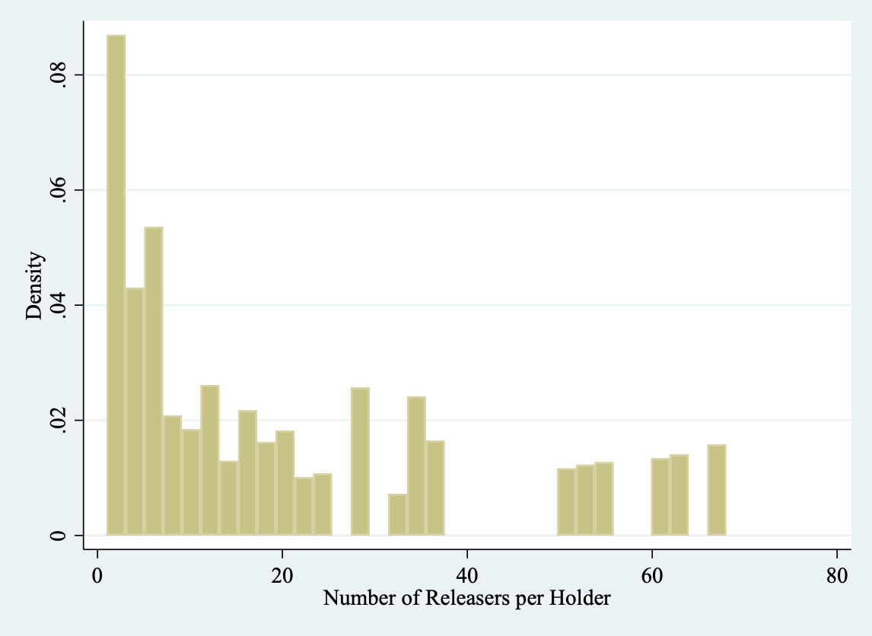

Figure 20: Distribution of Releaser Contract Mkt Share by Pipeline
please refer to other excel for marketshare data
Figure 21: Distribution of Holder Contract Mkt Share by Pipeline
please refer to other excel for marketshare data

new relationships
Figure 22: New Relationships by year (Never met in sample)
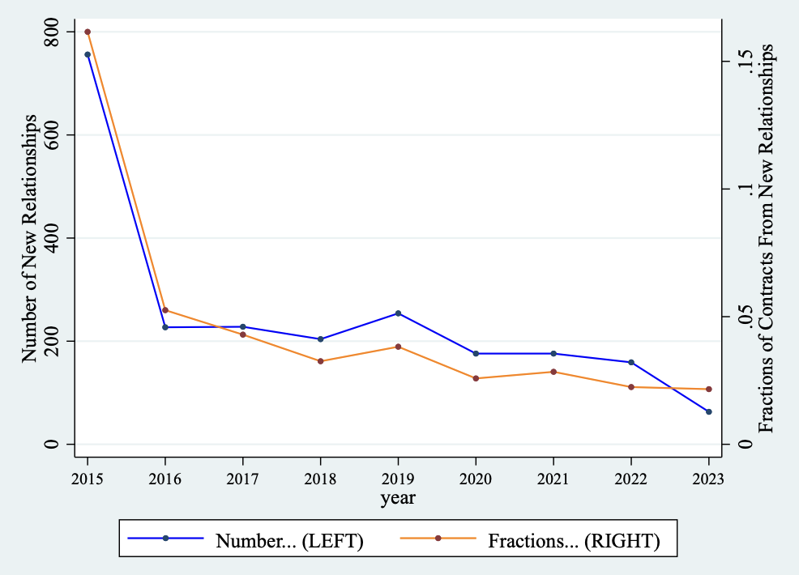

Figure 23: New Relationships by year (didn't meet for at least one year)
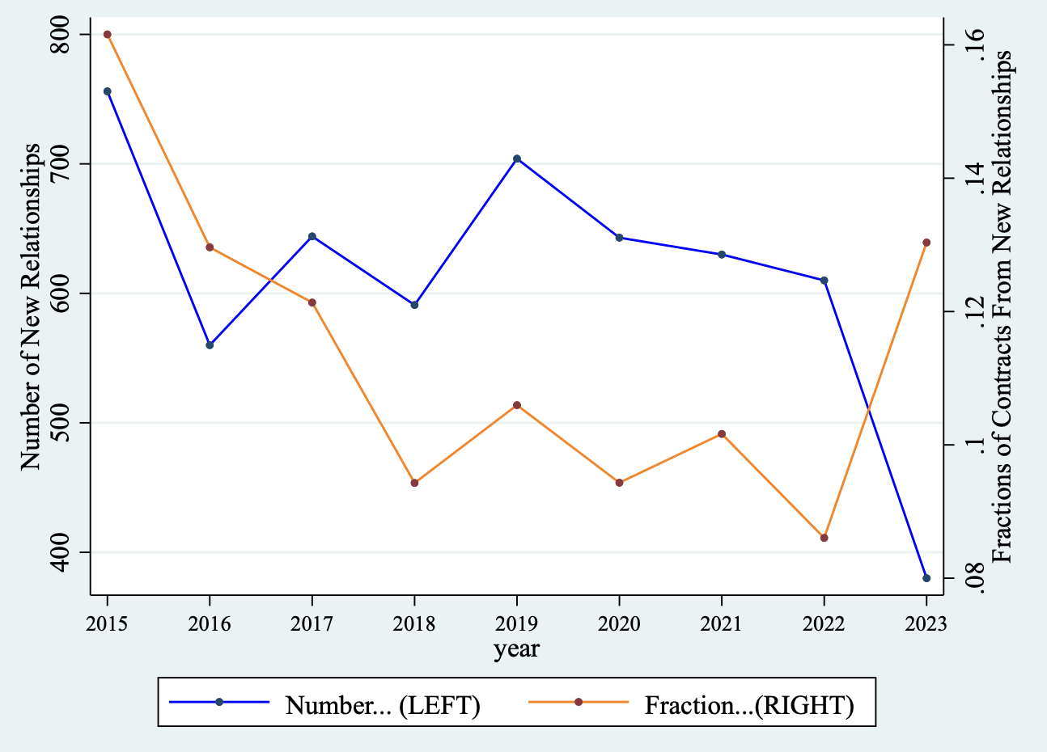

Table 17: New Relationships by Market Share
used median to classify as small/big

 | Share of contracts with new relationships (Approach 1) | Share of contracts with new relationships (Approach 2)
Small releaser, small holder | 0.041 | 0.057
Large releaser, large holder | 0.745 | 0.539
Small releaser, large holder | 0.109 | 0.164
large releaser, small holder | 0.105 | 0.241

Table 20: Capacity Releasers that are also Holders
Releasers
0 | 190 | 55.23%
1 | 154 | 44.77%
Total | 344 | 100.00%

Table 21: Capacity Holders that are also Releasers
Holders
0 | 210 | 57.69%
1 | 154 | 42.31%
Total | 364 | 100.00%

